Feuil1
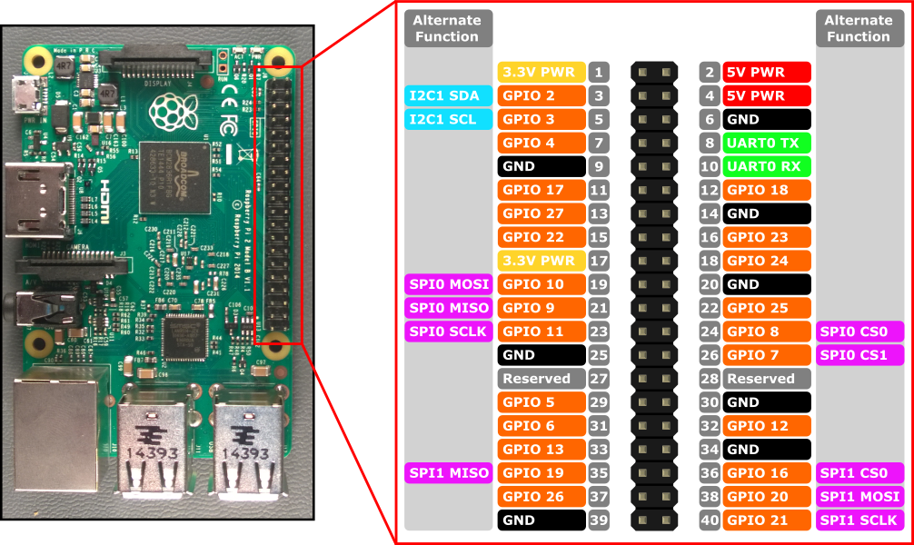
GPIO # | PIN # | I/O
23 | 16 | PIR Top
24 | 18 | PIR Bottom
2 | 3 | Stair #0
3 | 5 | Stair #1
4 | 7 | Stair #2
17 | 11 | Stair #3
27 | 13 | Stair #4
22 | 15 | Stair #5
10 | 19 | Stair #6
9 | 21 | Stair #7
11 | 23 | Stair #8
5 | 29 | Stair #9
6 | 31 | Stair #10
13 | 33 | Stair #11
19 | 35 | Stair #12
26 | 37 | Stair #13

